Tree
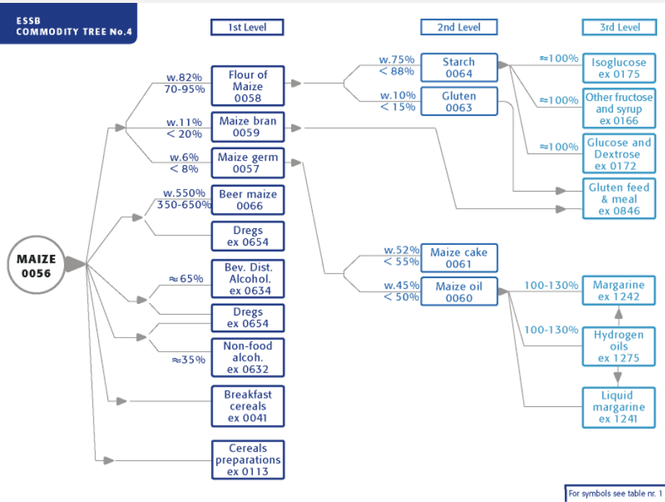
Standardization
Parent | Child | ER
15 | 41 | 10000
56 | 58 | 8500
56 | 64 | 8500
63 | 846 | 20000
108 | 113 | 6000
172 | 175 | 10000
172 | 633 | 40000
340 | 1241 | 10000
340 | 1242 | 12000
340 | 1275 | 12000
S2514 | 56 | 10000
S2582 | 60 | 10000

AUPUS
Parent | Child | ER | Share
56 | 57 | 800 | 92
56 | 58 | 7500 | 92 | 51166 | 67055 | 15889 | 19491
56 | 59 | 1600 | 92 | 2202366 | 66411 | -2135955 | -12281741
56 | 113 | 10000 | 3 | 65487 | 44 | -65443 | -1963
56 | 632 | 2500 | 0 | 11904 | 130611 | 118707 | 0
56 | 634 | 3275 | 5 | 2499 | 2412 | -87 | -13
56 | 654 | 3000 | 5 | 32845 | 17083 | -15762 | -2627
57 | 60 | 4600 | 100 | 556 | 0 | -556 | -1209
57 | 61 | 4076 | 100 | 0 | 0 | 0 | 0
58 | 51 | 61328 | 1 | 15225 | 54752 | 39527 | 64
58 | 63 | 1500 | 99 | 12377 | 36660 | 24283 | 160268
58 | 64 | 8000 | 99 | 896 | 4345 | 3449 | 4268
58 | 654 | 3000 | 1 | 37475 | 163425 | 125950 | 4198
60 | 1242 | 10735 | 0 | 31176 | 27307 | -3869 | 0
63 | 846 | 10000 | 100 | 170855 | 36203 | -134652 | -134652
64 | 172 | 10855 | 100 | 91375 | 164870 | 73495 | 67704
172 | 168 | 10000 | 0 | 148111 | 4514 | -143597 | 0
172 | 175 | 10000 | 10 | 43576 | 25750 | -17826 | -1783
172 | 633 | 50000 | 90 | 41456 | 38834 | -2622 | -472
1275 | 1242 | 10735 | 100 | 72651 | 8789 | -63862 | -59489

